dEL_01001
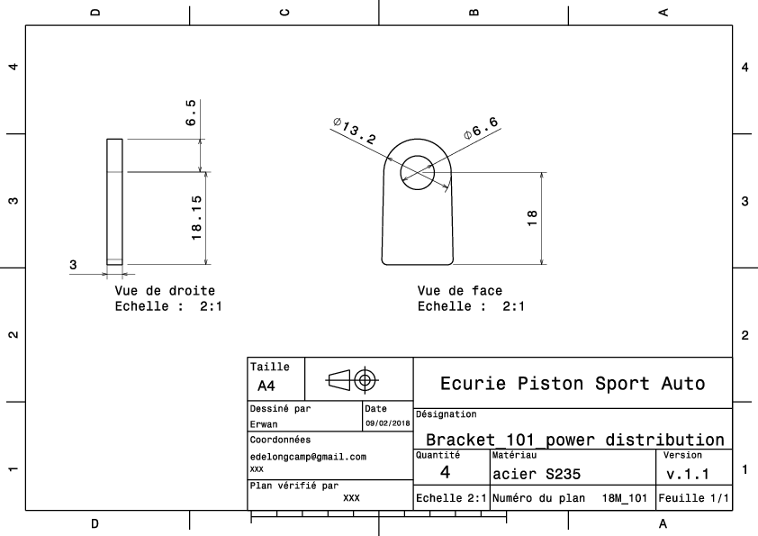
Drawing part : | EL 01001

dEL_01002
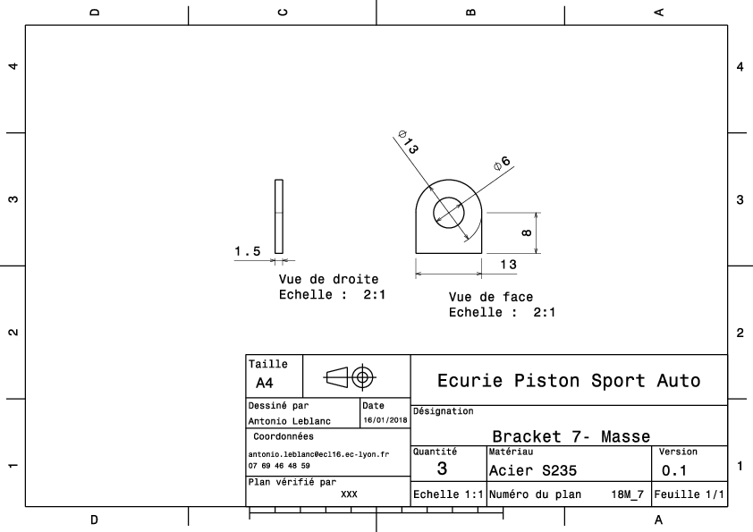
Drawing part : | EL 01002

EL_01003
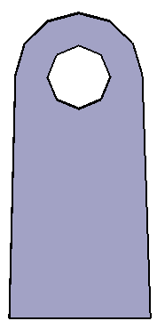
University | Ecole Centrale de Lyon |  |  |  |  | Back to BOM |  |  | Car # | 81 |  | Part Cost | $0.82
System | Electrical |  | FileLink1 | Drawing |  |  |  |  |  |  |  | Qty | 2
Assembly | Rear firewall instruments and wires |  | FileLink2 |  |  |  |  |  | FileLink1
Part | Break light bracket |  | FileLink3 |  |  |  |  |  | FileLink2 |  |  | Extended Cost | $1.64
P/N Base | EL 01003 |  |  |  |  |  |  |  | FileLink3
Suffix | AA
Details

ItemOrder | Material | Use | UnitCost | Size1 | Unit1 | Size2 | Unit2 | Area Name | Area | Length | Density | Quantity | Sub Total
10 | Steel, mild | Stock material for part | $2.25 | 0.00 | kg |  |  | Rectangular | 2.15E-04 | 0.002 | 7850 | 1 | $0.01
 |  |  |  |  |  |  |  |  |  |  |  | Sub Total | $0.01

ItemOrder | Process | Use | UnitCost | Unit | Quantity | Multiplier | Mult. Val. | Sub Total
10 | Machining Setup, Install and remove | Setup for laser cutting | $1.30 | unit | 1 | 2 parts cut from a single machine setup | 0.5 | $0.65
20 | Laser Cut | Cutout shape | $0.01 | cm | 6 | Material - Steel | 3 | $0.17
 |  |  |  |  |  |  | Sub Total | $0.82

dEL_01003
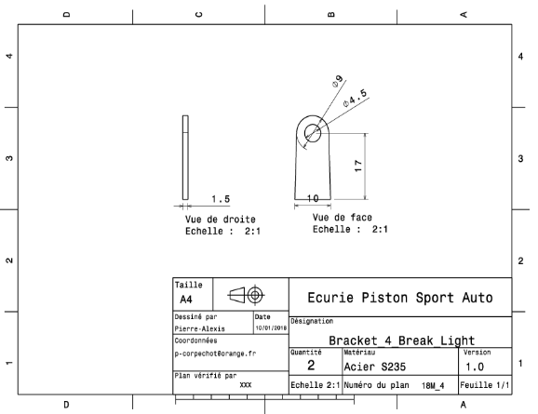
Drawing part : | EL 01003

EL_01004
University | Ecole Centrale de Lyon |  |  |  |  | Back to BOM |  |  | Car # | 81 |  | Part Cost | $75.94
System | Electrical |  | FileLink1 |  |  |  |  |  |  |  |  | Qty | 1
Assembly | Rear firewall instruments and wires |  | FileLink2 |  |  |  |  |  | FileLink1
Part | Master switch panel |  | FileLink3 |  |  |  |  |  | FileLink2 |  |  | Extended Cost | $75.94
P/N Base | EL 01004 |  |  |  |  |  |  |  | FileLink3
Suffix | AA
Details

ItemOrder | Material | Use | UnitCost | Size1 | Unit1 | Size2 | Unit2 | Area Name | Area | Length | Density | Quantity | Sub Total
10 | Carbon Fiber Reinf Carbon | Stock material for part | $0.0092 | 8000 | mm^3 |  |  |  |  |  |  | 1 | $73.60
 |  |  |  |  |  |  |  |  |  |  |  | Sub Total | $73.60
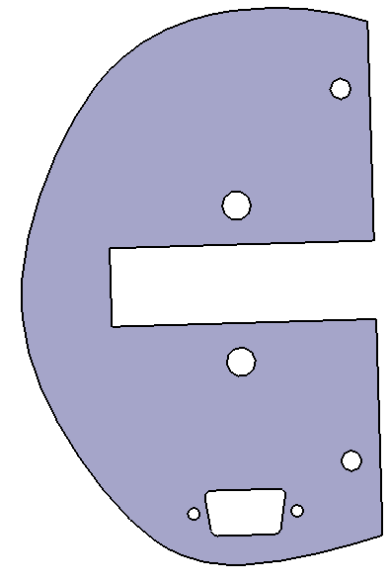
ItemOrder | Process | Use | UnitCost | Unit | Quantity | Multiplier | Mult. Val. | Sub Total
10 | Machining Setup, Install and remove | Setup for laser cutting | $1.30 | unit | 1 |  |  | $1.30
20 | Laser Cut | Cutout shape | $0.01 | cm | 52 | Material - Composite | 2 | $1.04
 |  |  |  |  |  |  | Sub Total | $2.34

EL_01005
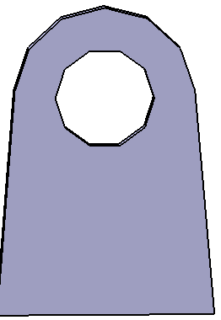
University | Ecole Centrale de Lyon |  |  |  |  | Back to BOM |  |  | Car # | 81 |  | Part Cost | $0.83
System | Electrical |  | FileLink1 | Drawing |  |  |  |  |  |  |  | Qty | 2
Assembly | Rear firewall instruments and wires |  | FileLink2 |  |  |  |  |  | FileLink1
Part | Master switch panel bracket |  | FileLink3 |  |  |  |  |  | FileLink2 |  |  | Extended Cost | $1.65
P/N Base | EL 01005 |  |  |  |  |  |  |  | FileLink3
Suffix | AA
Details

ItemOrder | Material | Use | UnitCost | Size1 | Unit1 | Size2 | Unit2 | Area Name | Area | Length | Density | Quantity | Sub Total
10 | Steel, mild | Stock material for part | $2.25 | 0.003 | kg |  |  | Rectangular | 2.16E-04 | 0.002 | 7850 | 1 | $0.01
 |  |  |  |  |  |  |  |  |  |  |  | Sub Total | $0.01

ItemOrder | Process | Use | UnitCost | Unit | Quantity | Multiplier | Mult. Val. | Sub Total
10 | Machining Setup, Install and remove | Setup for laser cutting | $1.30 | unit | 1 | 2 parts cut from a single machine setup | 0.5 | $0.65
20 | Laser Cut | Cutout shape | $0.01 | cm | 6 | Material - Steel | 3 | $0.17
 |  |  |  |  |  |  | Sub Total | $0.82

dEL_01005
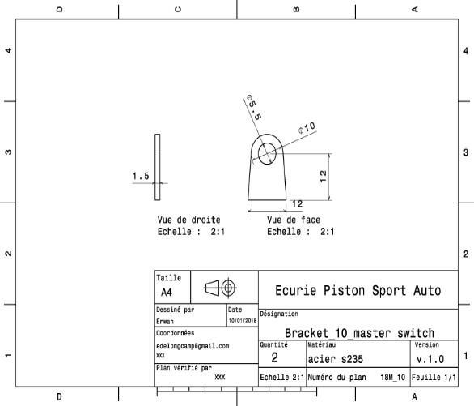
Drawing part : | EL 01005

dEL_01006
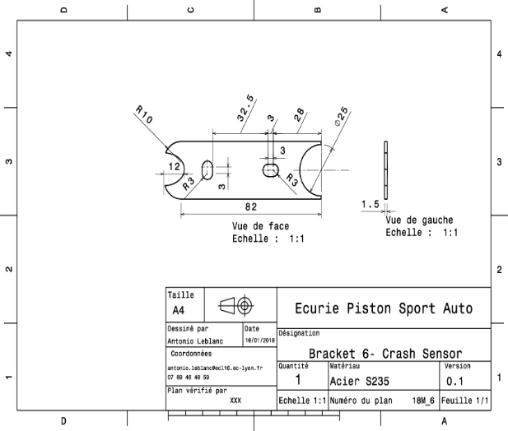
Drawing part : | EL 01006

dEL 02003
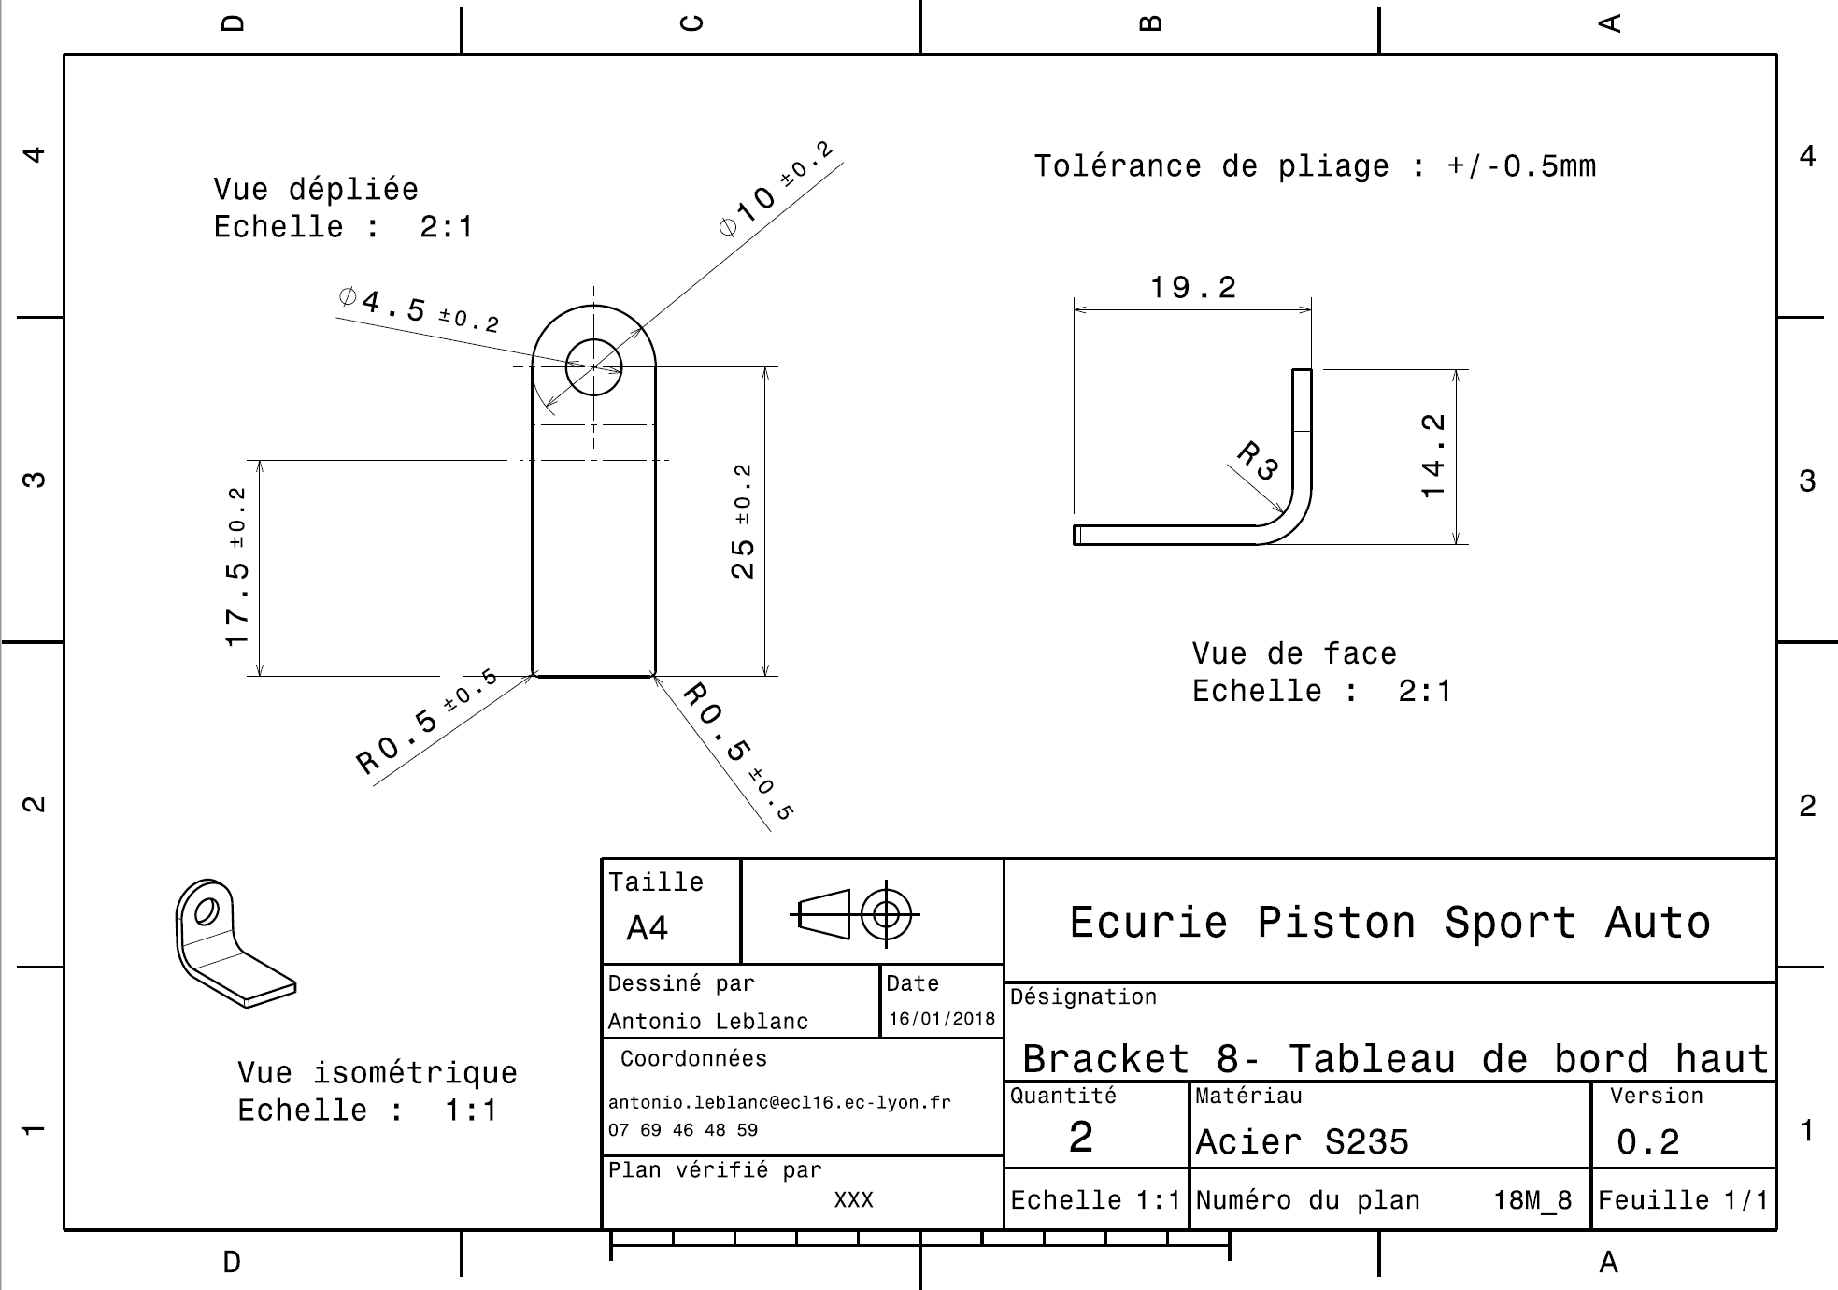
Drawing part : | EL 02003

EL_03001
University | Ecole Centrale de Lyon |  |  |  |  | Back to BOM |  |  | Car # | 81 |  | Part Cost | $4.83
System | Electrical |  | FileLink1 | Drawing |  |  |  |  |  |  |  | Qty | 1
Assembly | Battery assembly |  | FileLink2 |  |  |  |  |  | FileLink1
Part | Main battery mount |  | FileLink3 |  |  |  |  |  | FileLink2 |  |  | Extended Cost | $4.83
P/N Base | EL 03001 |  |  |  |  |  |  |  | FileLink3
Suffix | AA
Details | To carry the battery

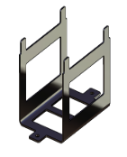
ItemOrder | Material | Use | UnitCost | Size1 | Unit1 | Size2 | Unit2 | Area Name | Area | Length | Density | Quantity | Sub Total
10 | Aluminium, Normal |  | $4.20 | 0.231 | kg |  |  | Rectangular area, 265x161mm | 4.27E-02 | 0.002 | 2,712 | 1.00 | $0.97
 |  |  |  |  |  |  |  |  |  |  |  | Sub Total | $0.97

ItemOrder | Process | Use | UnitCost | Unit | Quantity | Multiplier | Mult. Val. | Sub Total
10 | Machining Setup, Install and remove | Setup for laser cutting | $1.30 | unit | 1 |  | 1 | $1.30
20 | Laser Cut | Cutout shape | $0.01 | cm | 186 |  | 1 | $1.86
30 | Sheet metal bends |  | $0.35 | bend | 2 |  | 1 | $0.70
 |  |  |  |  |  |  | Sub Total | $3.86

dEL_03001
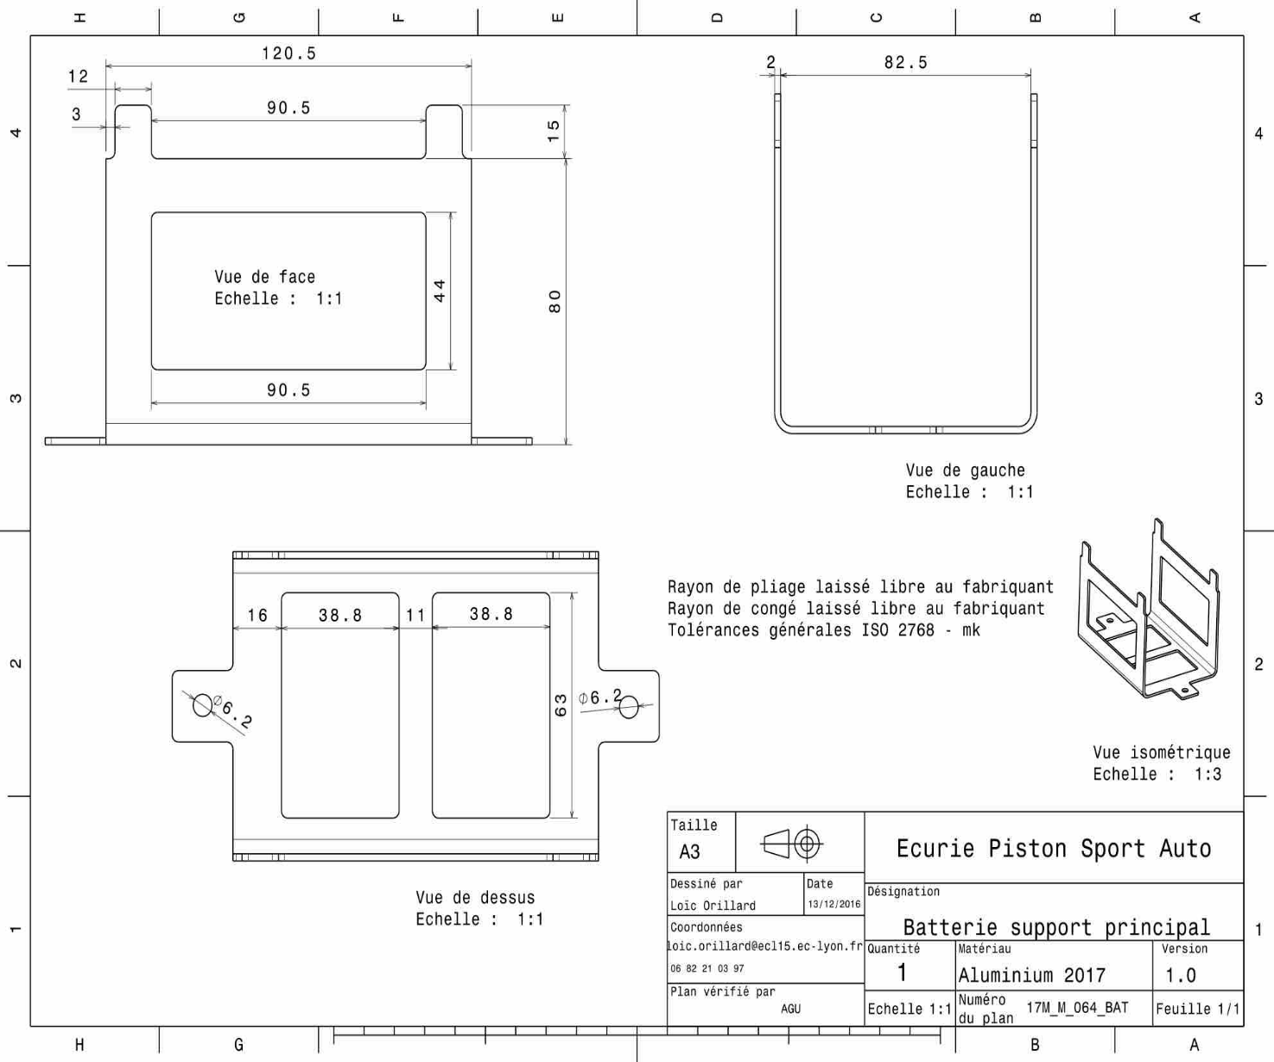
Drawing part : | EL 03001

EL_03002
University | Ecole Centrale de Lyon |  |  |  |  | Back to BOM |  |  | Car # | 81 |  | Part Cost | $3.66
System | Electrical |  | FileLink1 | Drawing |  |  |  |  |  |  |  | Qty | 2
Assembly | Battery assembly |  | FileLink2 |  |  |  |  |  | FileLink1
Part | Side battery mount |  | FileLink3 |  |  |  |  |  | FileLink2 |  |  | Extended Cost | $7.31
P/N Base | EL 03002 |  |  |  |  |  |  |  | FileLink3
Suffix | AA
Details | To carry the battery

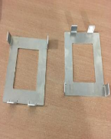
ItemOrder | Material | Use | UnitCost | Size1 | Unit1 | Size2 | Unit2 | Area Name | Area | Length | Density | Quantity | Sub Total
10 | Aluminium, Normal |  | $4.20 | 0.061 | kg |  |  | Rectangular area, 112x100mm | 1.12E-02 | 0.002 | 2,712 | 1.00 | $0.26
 |  |  |  |  |  |  |  |  |  |  |  | Sub Total | $0.26

ItemOrder | Process | Use | UnitCost | Unit | Quantity | Multiplier | Mult. Val. | Sub Total
10 | Machining Setup, Install and remove |  | $1.30 | unit | 1 |  |  | $1.30
20 | Laser Cut | Cutout shape | $0.01 | cm | 70 |  |  | $0.70
30 | Sheet metal design |  | $0.35 | bend | 4 |  |  | $1.40
 |  |  |  |  |  |  | Sub Total | $3.40

dEL_03002
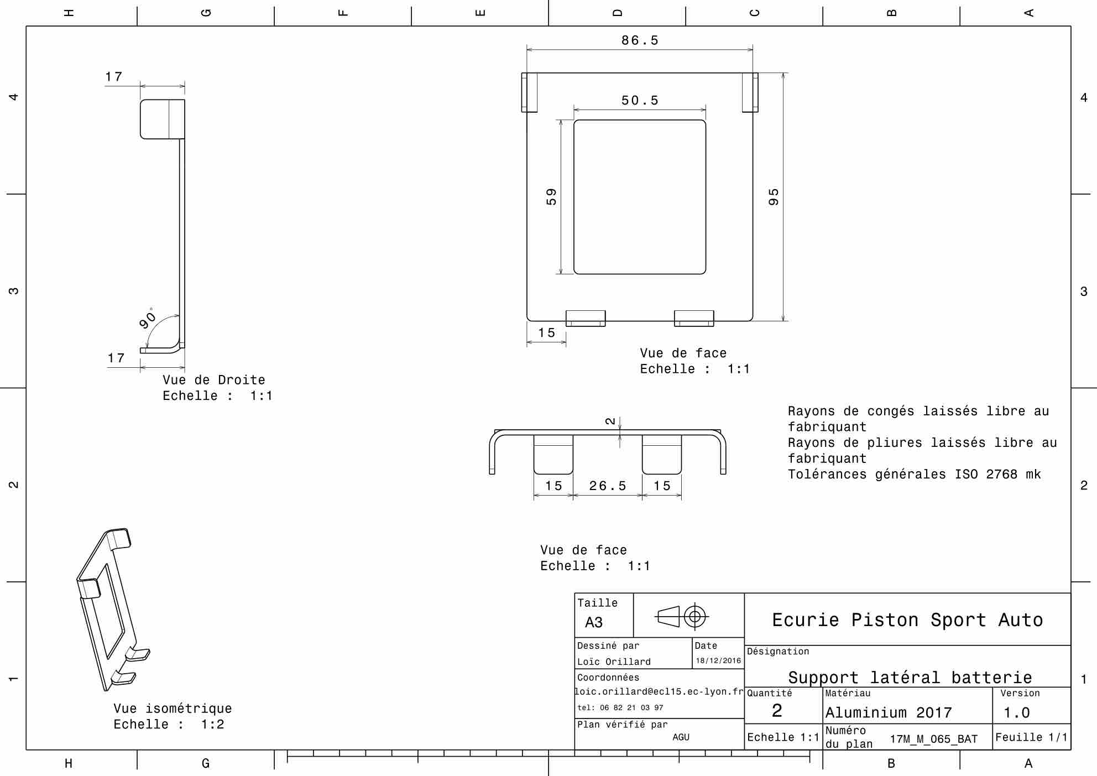
Drawing part : | EL 03002

EL_03003
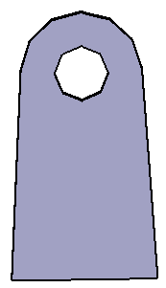
University | Ecole Centrale de Lyon |  |  |  |  | Back to BOM |  |  | Car # | 81 |  | Part Cost | $0.59
System | Electrical |  | FileLink1 | Drawing |  |  |  |  |  |  |  | Qty | 3
Assembly | Battery assembly |  | FileLink2 |  |  |  |  |  | FileLink1
Part | Battery bracket |  | FileLink3 |  |  |  |  |  | FileLink2 |  |  | Extended Cost | $1.76
P/N Base | EL 03003 |  |  |  |  |  |  |  | FileLink3
Suffix | AA
Details | Description brève de la pièce

ItemOrder | Material | Use | UnitCost | Size1 | Unit1 | Size2 | Unit2 | Area Name | Area | Length | Density | Quantity | Sub Total
10 | Steel, mild | Stock material for part | $2.25 | 12 | mm | 20 | mm | rectangular | 2.40E-04 | 0.002 | 7,850 | 1.00 | $0.01
 |  |  |  |  |  |  |  |  |  |  |  | Sub Total | $0.01

ItemOrder | Process | Use | UnitCost | Unit | Quantity | Multiplier | Mult. Val. | Sub Total
10 | Machining Setup, Install and remove | Setup for laser cutting | $1.30 | unit | 1 | 3 parts cut from a single machine setup | 0.33333333333 | $0.43
20 | Laser Cut | Cutout shape | $0.01 | cm | 6 | Material - Cast Iron | 2.5 | $0.15
 |  |  |  |  |  |  | Sub Total | $0.58

dEL_03003
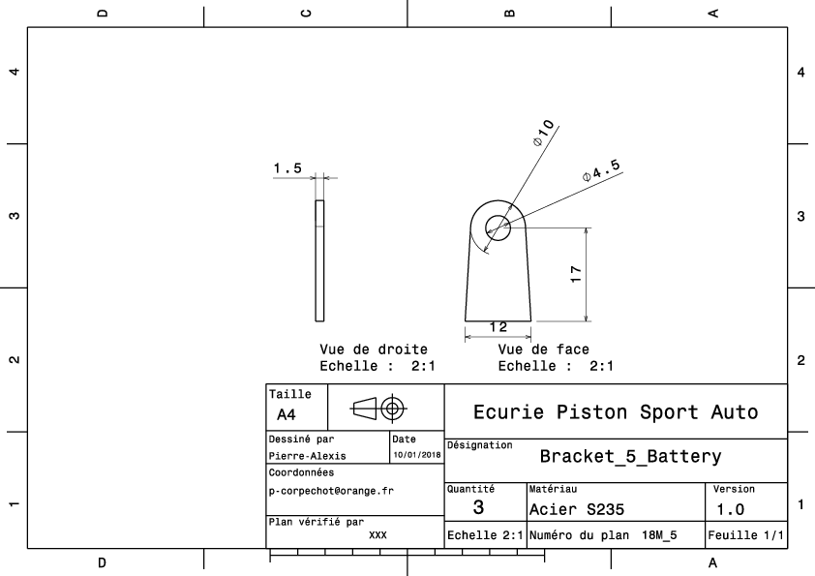
Drawing part : | EL 03003

